Test_1
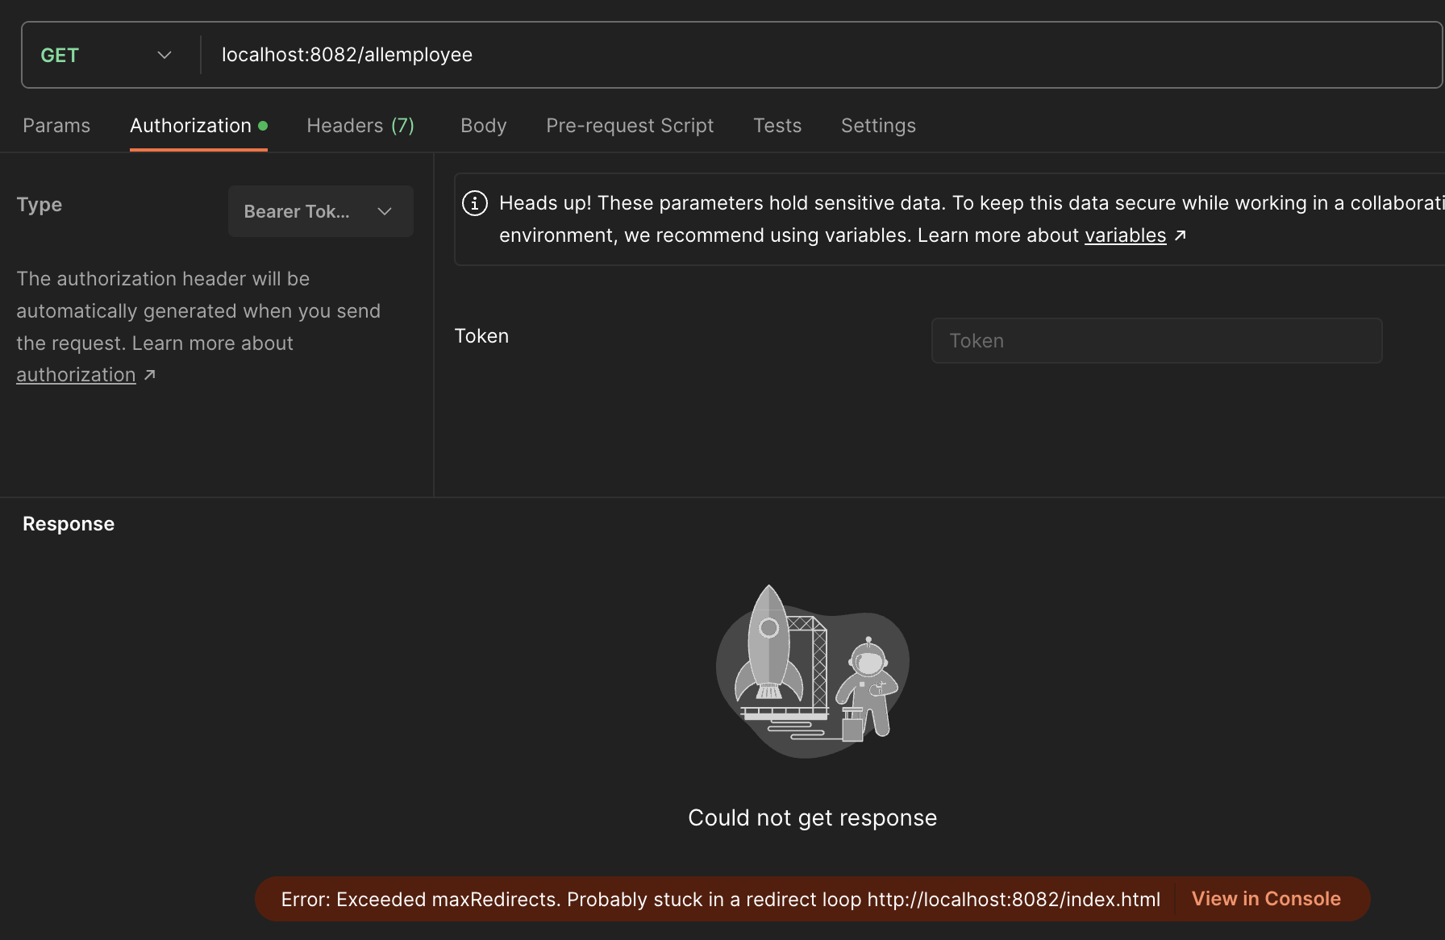
Test case ID: 1

● Test Name: Backend Server Testing for getMapping(“/allEmployee”)

● Test items: getMapping(“/allEmployee”)

● Test priority: low

● Dependencies (to other test case/requirement if any):

● Preconditions: Server must be actively running, but no JWT is passed into Mapping

● input data: none

● Test steps: enter ‘localhost:8082/allemployee’ into Get Postman’

● Postconditions: error

● Expected output: error

● Actual output: error

● Pass or Fail: pass

Test_2
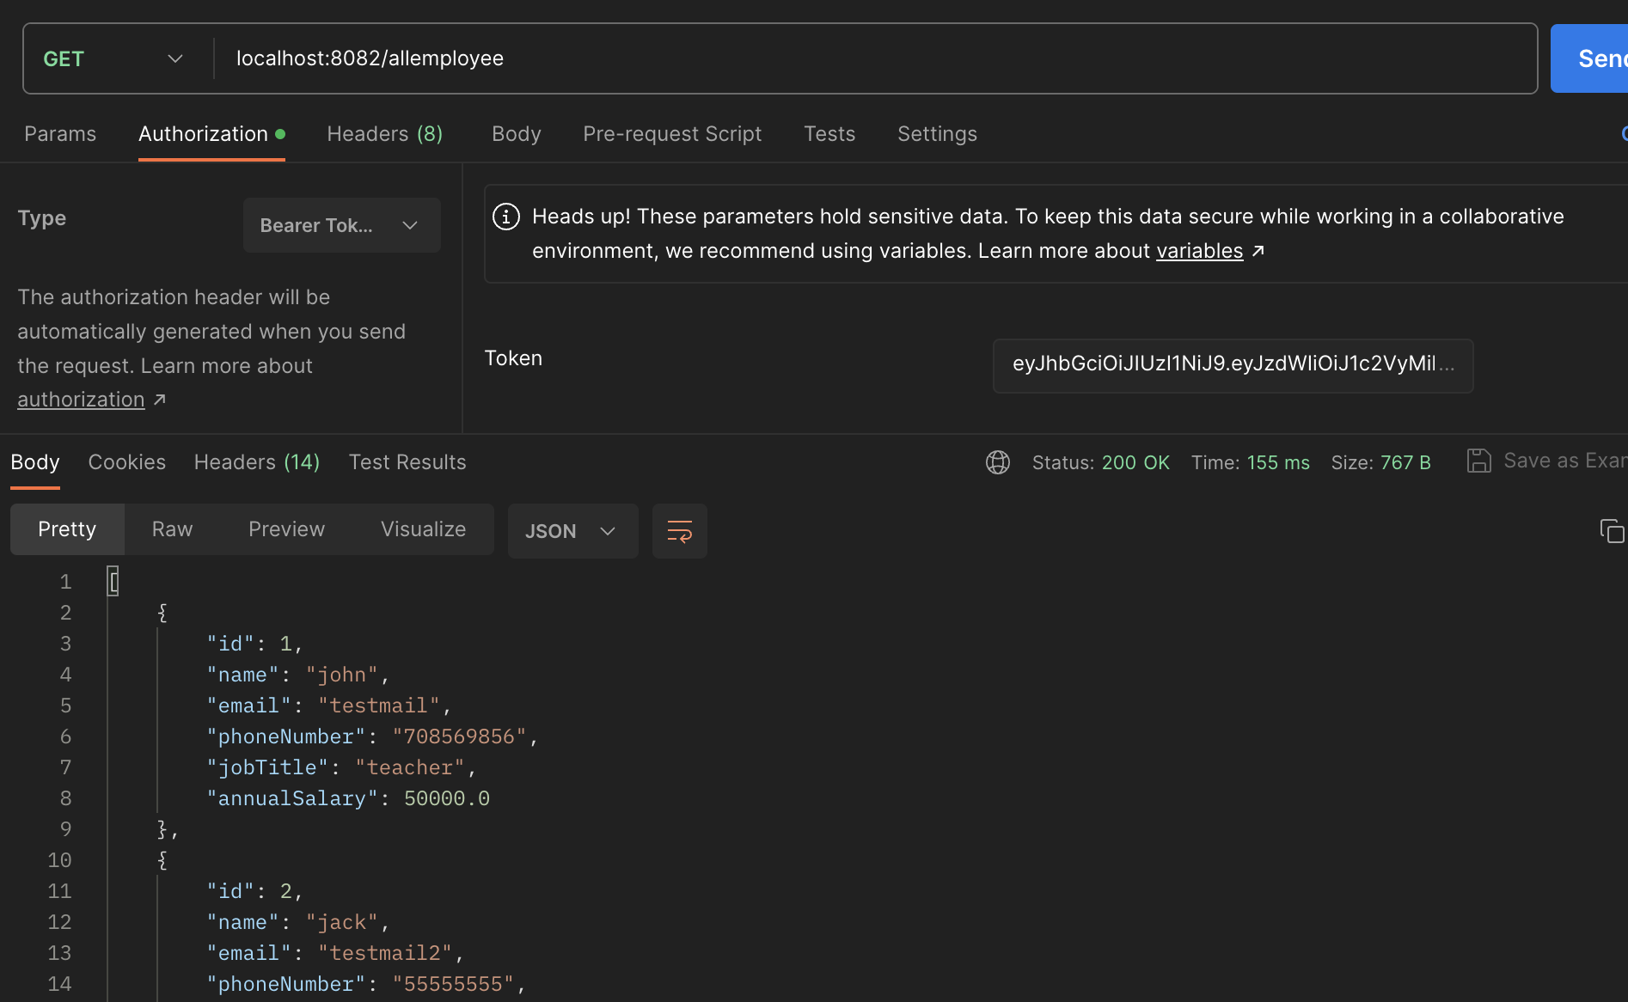
Test case ID: 2

● Test Name: Backend Server Testing for getMapping(“/allEmployee”) with JWT

● Test items: getMapping(“/allEmployee”)

● Test priority: medium

● Dependencies (to other test case/requirement if any):

● Preconditions: Server must be actively running, a JWT is input as authorization Bearer token header

● input data: none

● Test steps: enter ‘localhost:8082/allemployee’ into Get Postman’

● Postconditions: 200 ok, Json data return

● Expected output: 200 ok, Json data return

● Actual output: 200 ok, Json bodies return

● Pass or Fail: pass

Test_3
Test case ID: 2
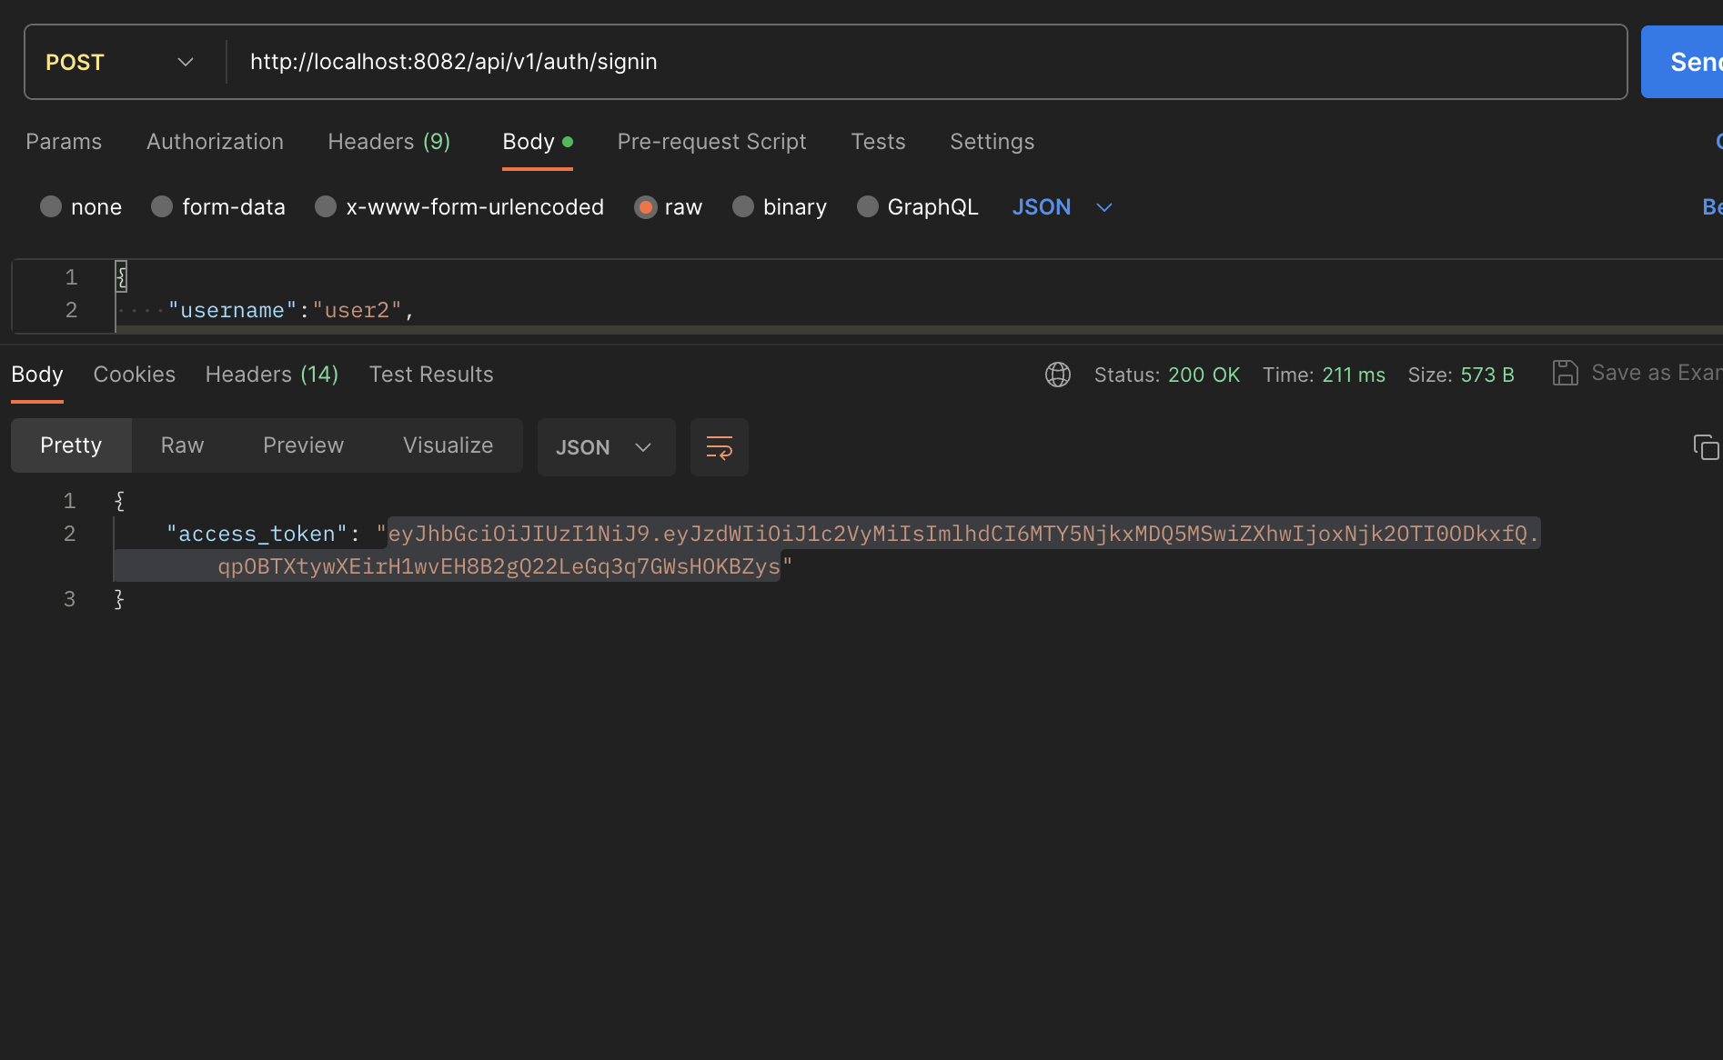
● Test Name: Backend Server Testing for PostMapping("/api/v1/auth/signin"

● Test items: PostMapping("/api/v1/auth/signin")

● Test priority: medium

● Dependencies (to other test case/requirement if any):

● Preconditions: Server must be actively running, the input data must exist in the server's Credential database

● input data: {"username": "user2", "password":"password"} as json body

● Test steps: enter ‘localhost:8082/api/v1/auth/sigin/' into Post Postman

● Postconditions: 200 ok, returns an "access_token"

● Expected output: 200 ok, returns an "access_token"

● Actual output: 200 ok, returns an "access_token"

● Pass or Fail: pass

